Análisis de Negocio
Análisis de Negocio – Bike Shop
 |  | Facturación Total | $10,231.05
Facturación por Marca

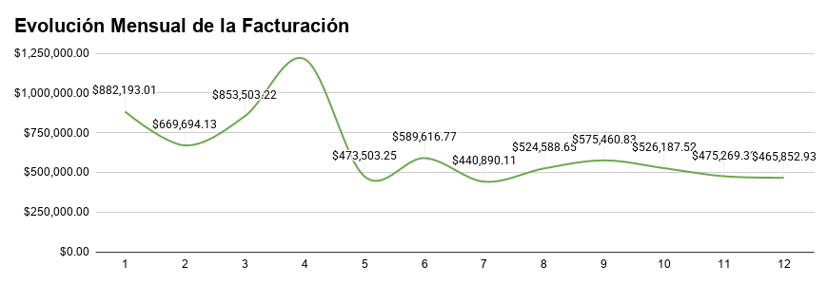

Trek representa aproximadamente el 60% de la facturación total, consolidándose como la marca con mayor participación en ventas.

Facturación por Sucursal

Baldwin Bikes genera la mayor facturación entre las sucursales analizadas.
 |  | La facturación alcanza su punto máximo en abril y posteriormente mantiene un comportamiento más estable durante el resto del año.

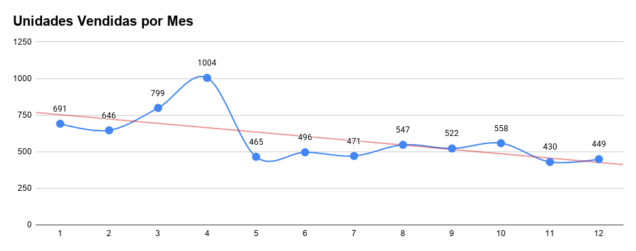
Top Vendedores por Unidades Vendidas

Marcelene y Venita concentran el mayor volumen de unidades vendidas.

Detalle de una Orden de Venta | Ejemplo de integración de tablas mediante IDs (Orders, Order Items y Products).

 |  | Abril registra el mayor volumen de unidades vendidas, consistente con el pico observado en la facturación mensual

Facturación por Ciudad del Cliente

Ranking de Categorías por Unidades

Ranking de Stock por Categoría

